Hiearchy View
CLASS: WATER COOLER
a machine that cools or heats up and dispenses water with a refrigeration unit. It is commonly located near the restroom due to closer access to plumbing. |  | 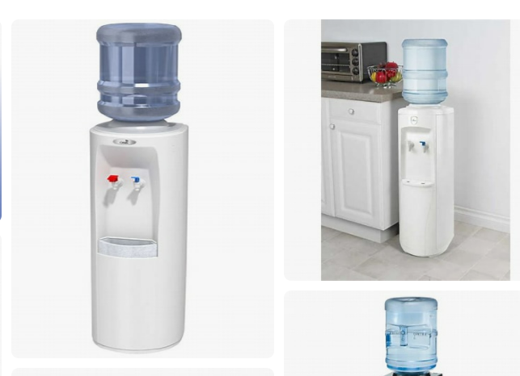
REMOVE | N

PROBLEM_DESC | CAUSE_DESC | REMEDY_DESC
BROKEN/DAMAGED
LEAKING
OTHER PROBLEM
OVERHEATING
POWER-ELEC
STOPPED/SLOWED/POOR OPS
TEMP-CTRL
VIBRATION
Grand Total

